intg_data_cleaning_2
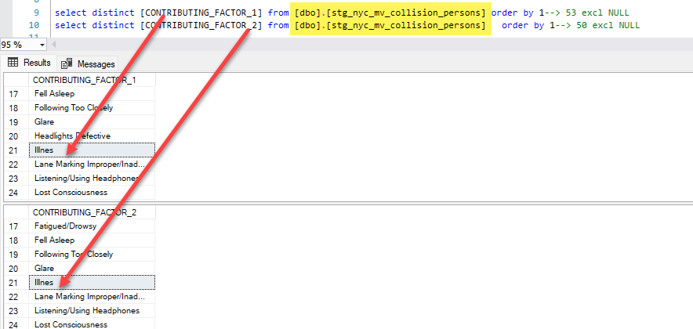
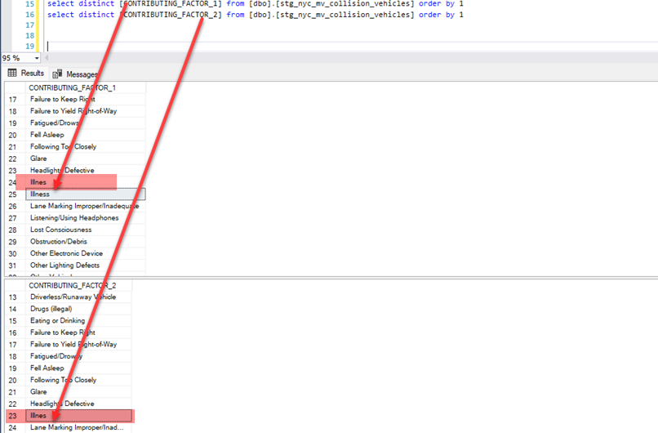
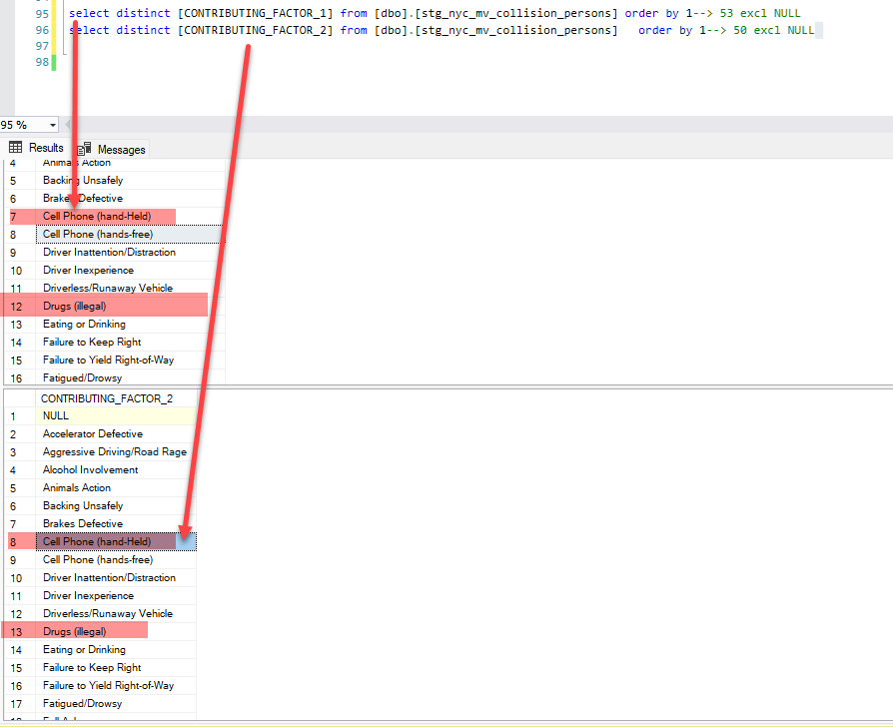
select distinct [CONTRIBUTING_FACTOR_1] from [dbo].[stg_nyc_mv_collision_persons] order by 1--> 53 excl NULL | select distinct [CONTRIBUTING_FACTOR_1] from [dbo].[stg_nyc_mv_collision_vehicles] order by 1
select distinct [CONTRIBUTING_FACTOR_2] from [dbo].[stg_nyc_mv_collision_persons] order by 1--> 50 excl NULL | select distinct [CONTRIBUTING_FACTOR_2] from [dbo].[stg_nyc_mv_collision_vehicles] order by 1

intg_data_cleaning_3
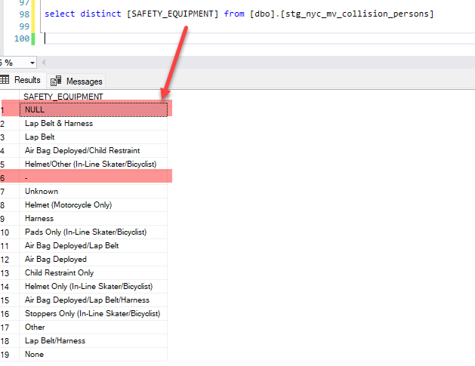

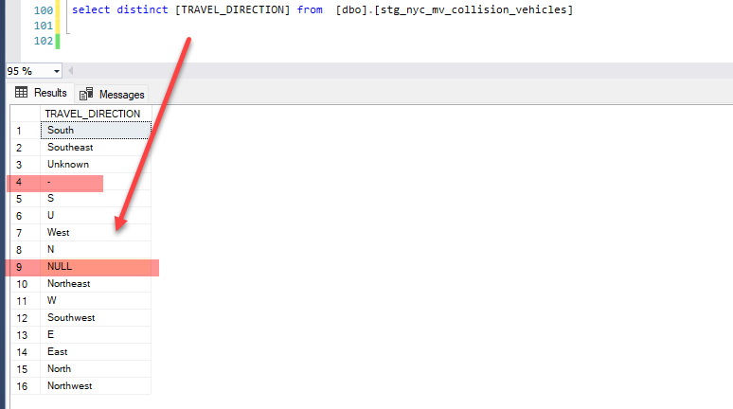
Safety_Equipment | Dim_TRAVEL_DIRECTION
select distinct [SAFETY_EQUIPMENT] from [dbo].[stg_nyc_mv_collision_persons] | select distinct [TRAVEL_DIRECTION] from [dbo].[stg_nyc_mv_collision_vehicles]

intg_data_cleaning_5
VEHICLE_TYPE |  | VEHICLE_TYPE_CODE
Replace with " Unknown" | UNKNOWN | select [vehicle_type_code_1] from [dbo].[stg_nyc_mv_collisions_BigQuery] union select [vehicle_type_code_2] from [dbo].[stg_nyc_mv_collisions_BigQuery] union select [vehicle_type_code_3] from [dbo].[stg_nyc_mv_collisions_BigQuery] union select [vehicle_type_code_4] from [dbo].[stg_nyc_mv_collisions_BigQuery] union select [vehicle_type_code_5] from [dbo].[stg_nyc_mv_collisions_BigQuery] order by 1
 | UNKNOWN

 | UNKNO
 | unk
 | UNK/L
 | UNKNW
 | UNKOW
 | unkl
 | ukn
 | UNK L
 | .
 | UNK.
 | UNKWN
 | UNNKO
 | Unk,
 | 0

 | Tanker
 | TANK | NULL
 | TANKE | omm
 | TANK WH | ''lime mope
 |  | (ceme
Tow Truck | Tow Truck | .
 | Tow Truck / Wrecker | ?MBU
 |  | ?omme
 | TTAILER | 0
 | TRAILEE | 0
 | TRAILER/FL | 0
 | TTRAILER | 0
 | TR-Trailer | 13
 |  | 1
 | trail | 11 PA
 | trial | 11-VA
 | trai | 11111
 | TRAILEE | 12 fe
 | TRAILEE | 12 PA
 |  | 12 PASS VA
 | TRACT | 12 passage
 | TRAC | 12 PASSENG
 |  | 12' o
 | TRAC | 15 Pa
 | track | 16M
 | TRAC. | 18 WEELER
 |  | 18 WH
 | Truc | 18 wheel
 | Truc | 18 WHEELER
 | TRUCK | 197209
 |  | 1C
 | tr | 1S
 | tr/tr | 2 DOO
 | tractor tr | 2 DR
 | TR-Trailer | 2 dr sedan
 | trt | 2 HOR
 |  | 2 TON
 | Trailer no | 2 WHE
 | trailor | 2 wheel sc
 | TR-Trailer | 2- to
 |  | 2000
 | TRA/R | 2003
 | TRACTOR | 2015
 | tractor tr | 250-3
 |  | 26 ft
 | limo | 2DCP
 | LIMO/ | 2dr
 |  | 2TON
 | LADDE | 3 doo
 | LADDER 34 | 3 Whe
 | LADDER CO | 3 Wheel Sc
 | LADD | 3-Door
 |  | 3-whe
 | LCOM | 315 e
 | LCOMM | 325FLCR
 |  | 35 FT
 | left | 38AB-
 | LEFT THE S | 3DC-
 | LEFT SCENE | 3DOOR
 |  | 4 axe
 |  | 4 dr sedan
Replace with School Bus | SCHOO | 4 RUN
 | School Bus | 430
 | scho | 4D
 | SCHOOLBUS | 4door
 | SCHOOL BU | 4DR
 |  | 4DS
 |  | 4dsd
Replace with VAN | VAN/ | 4SEDN
 | VAN | 4whee
 | VAN` | 5
 | VAN/ | 50 CC Moto
 | Van ( | 50cc mini
 |  | 50CC SCOOT
 |  | 52? t
Replace with VAN/ or VAN\ T | VAN T | 5X8 T
 | VAN/T | 600AJ
 | VAN\T | 7
 |  | 72000
 | Vanette | 7532433
 | VANET | 8X20
 |  | 985
Replace with Other | OTHER | 994
 | OTH | 997
 |  | 999
Replace with Bicycle | BICYCLE | 9999
 | BICYC | 99999
 |  | A
 | PICK UP | A,n
 | PICKUP | A-ONE
 | pick-up | ABULA
 | PICK- | ABULANCE
 |  | ACCEE
 | PICK-UP TRUCK | ACCES
 | Pick Truck | Access a R
 |  | AERIA
 | USPS | AERIAL LIF
 | USPS# | All-Terrain Vehicle
 |  | almbulance
 | U-HAL | ALUMI
 | U-HAL | AM/TR
 | U-HAU | AMABU
 | UHAUL | AMAZON SPR
 | UHAL | Amazon tru
 | U HAU | amb
 | UHUAL | Ambiance
 |  | AMBU
 | USPS TRUC, | AMBUKANCE
 | USPCS Truc | AMBUL
 |  | AMBULACE
 | USPS MAIL | AMBULAMCE
 | USPS MAILT | AMBULANCE
 |  | AMBULANCE`
 | Dump | AMBULANE
 | dumpe | AMBULCANCE
 |  | ambulence
 | MOTOR | AMBULETTE
 | moter | amdu
 |  | AMUBL
 | Motor Home | AMUBULANCE
 | motorhome | AMULA
 |  | amulance
 | MOTOR SCOO | anbul
 | MOTORSCOOT | AP
 |  | APORT
 | CART | APP
 | CAR T | APP C
 |  | APPOR
 | Carry All | APURP
 | Carri | ARIEL
 |  | armor
 | ice c | armored tr
 | icecr | Armored Truck
 | ICE CREAM | ARMY
 |  | ART M
 | boom lift | ASPHA
 | BOOM LIFT/ | ASPHALT RO
 |  | ASTRO
 | Bobcat | Attac
 | BOB CAT | atv p
 | BOBCA | AUTOTRLR T
 | bobct | axo
 |  | B5-44
 |  | B55 excava
Replace with Suburban | SUBUR | back
 | SUBR | back ho
 | SUBURBAN | BACK HOE
 |  | BACKH
 | SUBN- | backhoe
 | SUBN/ | BACKHOE LO
 |  | backhoe re
 |  | Barri
 | Garbage or Refuse | basic psd
 | garba | bay crane
 |  | bed
 | limo | BED T
 | LIMO/ | Beverage Truck
 |  | BICYC
 | SPEC | BICYCLE
 | spec- | big r
 |  | Bike
 | CONT- | BK
 | CONT | BKHOE
 |  | BLACK
 | PEDICAB | BLOCK
 | PEDI CAB | BLU BUS
 |  | BLUE
Replace with "FIRE TRUCK" | FIRE TURCK | BLUE CHEVY
 | FIRETRUCK | bmw
 | FIRTRUCK | bmw moped
 | FIRET TRUC | BOAT
 |  | BOB C
 |  | BOB CAT
replace with SEMI | SEMI | Bobby
 | SEMI- | bobca
 |  | Bobcat
Replace with "SELF" | self | Bobcat 216
 | SELF- | BOBCAT FOR
 |  | bobcat sno
 |  | bobct
Replace with "Semi- Trail" | semi-trail | Boom
 | SEMI TRAIL | BOOM 60FT
 | semitraile | boom crane
 |  | boom lift
Replace with "Other" | OTHER | BOOM LIFT/
 | OTH | BOOML
 |  | box
 |  | BOX H
 | OML | Box M
 | OML/ | box p
 | OML/OMNIBU | Box T
 |  | Box Truck
Replace with Oil tanker | OIL T | BOX VAN
 | Oil Tanker | boxtr
 |  | BOXTRUCK
 | SEGWA | BROOM
 | Segway | BROWN
 |  | BS
Replace with Mailtruck | mailtruck | bsd
 | mail truck | BTM
 |  | BUCKE
 | flat | Bucket Tru
 | FLAT- | Bucketload
 | FLAT/ | Budge
 |  | Budget tru
 | Flat Bed | BULDOZER
 | FLATBED | Bulk Agriculture
 |  | BULL DOZER
 | LCOM | BULLD
 | LCOMM | BULLDOZER
 |  | BUMP
 | limo | BURG
 | LIMO/ | BUS
 |  | BUS M
 | PASS | bus y
 | PASS- | BUSS
 |  | Busv
 | WHITE | C 1
 | WHIT | C-1
 | WH | C0MME
 |  | C1
 |  | C2
 |  | C3
 |  | c7c
 |  | cab
 |  | CABIN
 |  | CADET
 |  | CAMP
 |  | CAMPE
 |  | CAMPER TRA
 |  | CAMPER VAN
 |  | Can
 |  | car
 |  | Car C
 |  | CAR T
 |  | CAR TRAILE
 |  | cargo
 |  | CARGO TRAI
 |  | Cargo Truc
 |  | CARGO VAN
 |  | Carri
 |  | Carriage
 |  | CARRIER
 |  | Carry All
 |  | CART
 |  | CASE
 |  | CAT
 |  | cat 3
 |  | CAT 4
 |  | Cat 9
 |  | CAT CATERP
 |  | CAT FORKLI
 |  | CAT P
 |  | cat payloa
 |  | CAT.
 |  | CAT32
 |  | CATAPILLAR
 |  | cate
 |  | CATER
 |  | Caterpilla
 |  | CATIP
 |  | CB534
 |  | CEMEN
 |  | Cement Tru
 |  | CHART
 |  | charter bu
 |  | CHASSIS &
 |  | Chassis Cab
 |  | CHERR
 |  | CHERRY PIC
 |  | CHERV
 |  | chev
 |  | Chevr
 |  | CHEVROLET
 |  | Chevy
 |  | Chevy carg
 |  | CHEVY EXPR
 |  | CHURC
 |  | CHVEY
 |  | CITIBIKE
 |  | city
 |  | City MTA b
 |  | CITY OF NE
 |  | CITY OWNED
 |  | City vehic
 |  | CITYWIDE
 |  | clean
 |  | club
 |  | cm
 |  | CMIX
 |  | CMIXER
 |  | CMS-T
 |  | CO
 |  | COACH
 |  | COLL
 |  | COLLECTION
 |  | COM
 |  | COM DELIVE
 |  | COM T
 |  | COM TRANS
 |  | com v
 |  | COM.
 |  | COM/A
 |  | COMB
 |  | Combinatio
 |  | COMER
 |  | Comix
 |  | COMM
 |  | Comm Food
 |  | COMM TRK
 |  | COMM TRUCK
 |  | COMM VAN
 |  | comm.
 |  | Command Po
 |  | comme
 |  | Commercial
 |  | COMMERIAL
 |  | commerical
 |  | COMMM
 |  | COMMU
 |  | COMPA
 |  | CON E
 |  | CON ED TRU
 |  | CONCR
 |  | CONCRETE M
 |  | Concrete Mixer
 |  | conedison
 |  | const
 |  | CONST EQUI
 |  | Constructi
 |  | CONT
 |  | CONT-
 |  | conta
 |  | conti
 |  | CONTR
 |  | CONTRUCTIO
 |  | conv
 |  | CONVE
 |  | Convertible
 |  | COUPE
 |  | COURI
 |  | courier
 |  | COURIER VA
 |  | crane
 |  | crane boom
 |  | Crane truc
 |  | CRF Carria
 |  | cross
 |  | CRWZK
 |  | CT
 |  | CUSHM
 |  | D
 |  | D/V WB
 |  | D1
 |  | D2
 |  | D3
 |  | dark color
 |  | Dart bike
 |  | DB
 |  | DEAGR
 |  | DEI V
 |  | DEIV
 |  | del
 |  | DEL T
 |  | Delie
 |  | DELIV
 |  | delivery
 |  | delivery t
 |  | delivery v
 |  | delivery w
 |  | DELV
 |  | DELV BR
 |  | DELV.
 |  | DELVI
 |  | delviery
 |  | DELVR
 |  | DEMA-
 |  | Dent and S
 |  | DEP V
 |  | depar
 |  | DEPARTMENT
 |  | DEPT
 |  | DEPT VAN #
 |  | detac
 |  | Detached T
 |  | dhl t
 |  | DIESE
 |  | DIG-I
 |  | dilevery t
 |  | DIRT
 |  | DIRT BIKE
 |  | DIRT-
 |  | DIRTB
 |  | DIRTBIKE
 |  | DL
 |  | DLEV
 |  | DLR
 |  | DLVR
 |  | DODGE
 |  | DODGE RAM
 |  | Dollar Van
 |  | DOLLY
 |  | DOOSK
 |  | DOT #
 |  | DOT EQUIPM
 |  | DOT R
 |  | dot t
 |  | DOT TRUCK
 |  | DOT V
 |  | DOT VEHICL
 |  | dp
 |  | DRILL RIG
 |  | DRONE
 |  | dsny
 |  | DSNY sanit
 |  | DSNY SWEEP
 |  | DSNY TRUCK
 |  | DUAL
 |  | Dump
 |  | DUMP GR
 |  | dump truck
 |  | dumpe
 |  | DUMPS
 |  | DUMPSTER
 |  | DUMPSTER T
 |  | DUMPT
 |  | DUMPTRUCK
 |  | DUNBA
 |  | E
 |  | E - B
 |  | e amb
 |  | e bik
 |  | E bike
 |  | e bike uni
 |  | E Bike w p
 |  | e com
 |  | E ONE
 |  | E PAS
 |  | E REVEL SC
 |  | E SCO
 |  | E scooter
 |  | e skate bo
 |  | E Skateboa
 |  | e tow
 |  | E- Bi
 |  | E- MOTOR B
 |  | E- SCOOTER
 |  | e-350
 |  | e-bik
 |  | E-Bike
 |  | E-MOT
 |  | E-Sco
 |  | E-Scooter
 |  | E-Scoter
 |  | E-SKA
 |  | E-SKATEBOA
 |  | e-sooter
 |  | E-Unicycle
 |  | E.M.S
 |  | E/BIK
 |  | E1
 |  | E250
 |  | E3
 |  | E350
 |  | E450
 |  | EAMB
 |  | east
 |  | EBIKE
 |  | EC2
 |  | EC3
 |  | Ecoli
 |  | ECOLINE VA
 |  | ECOM
 |  | Econo
 |  | ECONOLINE
 |  | ELEC
 |  | ELEC.
 |  | ELEC. UNIC
 |  | ELECR
 |  | ELECT
 |  | ELECTRIC B
 |  | ELECTRIC M
 |  | ELECTRIC S
 |  | Electronic
 |  | eletr
 |  | EMBULANCE
 |  | EMERGANCY
 |  | EMERGENCY
 |  | EMRGN
 |  | Ems
 |  | EMS A
 |  | EMS Ambula
 |  | ems b
 |  | EMS BUS
 |  | EMS FDNY B
 |  | EMS H
 |  | Ems t
 |  | EMS TRUCK
 |  | EMS/VAN
 |  | EMT
 |  | EMT Ambula
 |  | EMT Truck
 |  | ENCLO
 |  | Enclosed Body - Nonremovable Enclosure
 |  | Enclosed Body - Removable Enclosure
 |  | Engi
 |  | ENGIN
 |  | engine
 |  | ENGINE SP0
 |  | ENTERPRISE
 |  | EPO
 |  | ES
 |  | ESCAVATER
 |  | ESCAVATOR
 |  | eScoo
 |  | ESCOOTER
 |  | ESCOOTER S
 |  | ESCOOTERSI
 |  | ESCOVATOR
 |  | ESU REP
 |  | ESU RESCUE
 |  | ESU T
 |  | excav
 |  | EXCAVATOR
 |  | EXPRE
 |  | EZ GO
 |  | f-250
 |  | f15
 |  | F150XL PIC
 |  | F350
 |  | F45
 |  | F550
 |  | F550 ESU R
 |  | F650
 |  | Farm
 |  | Farm Vehicle
 |  | FD APPARAT
 |  | Fd fi
 |  | FD LA
 |  | FD LADDER
 |  | FD NY
 |  | FD tr
 |  | FD TRUCK
 |  | FDNY
 |  | FDNY #226
 |  | FDNY AMBU
 |  | FDNY Ambul
 |  | FDNY CHIEF
 |  | FDNY EMS
 |  | FDNY EMS V
 |  | FDNY EMT
 |  | FDNY ENGIN
 |  | FDNY FIRE
 |  | FDNY FIRET
 |  | FDNY LADDE
 |  | FDNY LADER
 |  | FDNY PICKU
 |  | FDNY RIG
 |  | fdny truck
 |  | FDNY Vehic
 |  | FED
 |  | FED E
 |  | FED EX
 |  | fed ex tru
 |  | Fed ex van
 |  | FEDER
 |  | FEDERAL EX
 |  | FEDEX
 |  | FedEx box
 |  | FEDEX TRUC
 |  | FedEx van
 |  | fedx
 |  | FEIG
 |  | fire
 |  | Fire Appar
 |  | FIRE BUS
 |  | Fire Depar
 |  | Fire Engin
 |  | Fire rig t
 |  | FIRE TRUCK
 |  | FIRE TURCK
 |  | FIRER
 |  | firet
 |  | FIRET TRUC
 |  | FIRETRUCK
 |  | FIRTRUCK
 |  | Flat
 |  | FLAT BED
 |  | Flat Bed
 |  | FLAT BED T
 |  | Flat Rack
 |  | FLAT-
 |  | FLAT/
 |  | Flatb
 |  | FLATBED
 |  | FLATBED FR
 |  | Flatbed Pi
 |  | FLATBED TR
 |  | FLED
 |  | FLEET
 |  | FLLET
 |  | FLTRL
 |  | FOLK LIFT
 |  | FOOD
 |  | FOOD CART
 |  | FOOD DELIV
 |  | FOOD TRUCK
 |  | FOOD VENDE
 |  | foor
 |  | FOOT
 |  | FOR VAN
 |  | ford
 |  | FORD AMBUL
 |  | ford econo
 |  | Ford picku
 |  | Ford sprin
 |  | FORD TRANS
 |  | Ford Van
 |  | FORK
 |  | FORK LIFT
 |  | FORK-
 |  | FORKL
 |  | forklift
 |  | Forklift t
 |  | forlift
 |  | FORTL
 |  | FR`
 |  | FRE
 |  | FRE T
 |  | FREE
 |  | Freig
 |  | FREIG DELV
 |  | Freighntli
 |  | Freight
 |  | FREIGHT FL
 |  | freight To
 |  | FREIGHT TR
 |  | FREIGHTLIN
 |  | FREIH
 |  | frh
 |  | FRHT
 |  | FRHT TRAIL
 |  | FRIEG
 |  | FRIEGHTLIN
 |  | FRONT
 |  | Front End
 |  | Front-Load
 |  | FRT
 |  | FUEL
 |  | FUSION
 |  | G CO
 |  | G AMB
 |  | G COM
 |  | G OMR
 |  | G PAS
 |  | G PSD
 |  | g scl
 |  | G Sem
 |  | g spc
 |  | G TOW
 |  | G1
 |  | G1`
 |  | GARAB
 |  | Garage
 |  | garba
 |  | Garbage
 |  | Garbage or Refuse
 |  | GARBAGE TR
 |  | gas bicycl
 |  | gas bike
 |  | gas mo ped
 |  | GAS MO-PED
 |  | GAS MOPED
 |  | GAS POWERE
 |  | GAS S
 |  | GAS SCOOTE
 |  | GAS T
 |  | GATOR
 |  | Gator 4x4
 |  | GE/SC
 |  | GEICO
 |  | GEN AMBUL
 |  | Gene
 |  | GENIE
 |  | GENUI
 |  | Glass Rack
 |  | GLBEN
 |  | GLNEN
 |  | GLP050VXEV
 |  | GMC
 |  | GMC DELIVE
 |  | GMC T
 |  | GMC V
 |  | Go kart
 |  | gokar
 |  | golf
 |  | GOLF CAR
 |  | GOLF CART
 |  | GOLF KART
 |  | GOV
 |  | gov v
 |  | GOV VEHICL
 |  | GOV'T
 |  | Gover
 |  | Government
 |  | Govt
 |  | GOVT.
 |  | GR HS
 |  | Grail
 |  | Grain
 |  | GRAY
 |  | GREEB
 |  | GREEN
 |  | GRUMM
 |  | Grumman LL
 |  | H1
 |  | H3
 |  | HAND
 |  | HARVE
 |  | HAUL FOR H
 |  | HD
 |  | HD To
 |  | HDC
 |  | Hearse
 |  | HEAVY
 |  | HEIL
 |  | HERTZ RAM
 |  | HI LO
 |  | HI TA
 |  | hi-lo
 |  | high
 |  | HIGHL
 |  | hilow
 |  | HINO
 |  | HINO TANK
 |  | historical
 |  | HOE-L
 |  | HOME MADE
 |  | hook
 |  | Hopper
 |  | horse
 |  | HORSE CARR
 |  | Horse Trai
 |  | HOSRE
 |  | HOTDO
 |  | HOUSE
 |  | house on w
 |  | HOVERBOARD
 |  | hrse
 |  | Humme
 |  | HWH
 |  | HWY C
 |  | Hyster For
 |  | I-haul
 |  | I1
 |  | IC
 |  | ICE C
 |  | Ice Cream
 |  | icecr
 |  | impal
 |  | In Line Sk
 |  | INDUSTRIAL
 |  | INTE TRUCK
 |  | INTER
 |  | INTERNATIO
 |  | INTL
 |  | IP
 |  | isuzu
 |  | itas
 |  | J1
 |  | JCB40
 |  | JEEP
 |  | JETSKI
 |  | JLG B
 |  | JLG L
 |  | JLG M
 |  | John
 |  | JOHN DEERE
 |  | JohnD
 |  | JOHNDEERE
 |  | JUNST
 |  | ken
 |  | KENWO
 |  | kick scoot
 |  | KME
 |  | KME/F
 |  | KOMATSU LO
 |  | KP160
 |  | KUBOT
 |  | KW TR
 |  | L1
 |  | LADD
 |  | LADDE
 |  | LADDER 34
 |  | LADDER CO
 |  | LADDER TRU
 |  | LARGE COM VEH(6 OR MORE TIRES)
 |  | Lateral Tr
 |  | Laund
 |  | LAWN
 |  | LAWN MOWER
 |  | Lawnmower
 |  | LCOM
 |  | LCOMM
 |  | LD
 |  | Leased amb
 |  | left
 |  | LEFT SCENE
 |  | LEFT THE S
 |  | LIBER
 |  | LIEBH
 |  | Lift
 |  | Lift Boom
 |  | LIGHT
 |  | Light Towe
 |  | Light trai
 |  | LIMIT USE
 |  | LIMO
 |  | LIMO/
 |  | LIMOU
 |  | Limousine
 |  | LIT DIRECT
 |  | liver
 |  | Livery Bus
 |  | Livery Omn
 |  | LIVERY VEHICLE
 |  | Livestock Rack
 |  | llv
 |  | LLV MAIL T
 |  | LMA
 |  | lmb
 |  | LMTV
 |  | LOADE
 |  | LOCOMOTIVE
 |  | Log
 |  | LP
 |  | LSA
 |  | LTR
 |  | Ltrl
 |  | LULL
 |  | Lumbe
 |  | Lunch Wagon
 |  | LUV
 |  | M/A
 |  | M2
 |  | M21
 |  | MAC
 |  | mac 1
 |  | MAC F
 |  | MAC T
 |  | MACK
 |  | Mack Truck
 |  | MAIL
 |  | MAIL CARRI
 |  | MAIL TRUCK
 |  | MAILTRUCK
 |  | MAN B
 |  | MAN L
 |  | MARK
 |  | Marke
 |  | MARKED VAN
 |  | MAXIM
 |  | mc
 |  | MCR
 |  | mcy
 |  | MCY B
 |  | me/be
 |  | mecha
 |  | MECHANICAL
 |  | Mercedes
 |  | message si
 |  | METAL
 |  | MI/FU
 |  | MILLI
 |  | MINI
 |  | MINI BUS
 |  | MINI SCHOO
 |  | mini van
 |  | Minibike
 |  | Minicycle
 |  | MINIV
 |  | MINIVAN
 |  | Mo pa
 |  | MO PE
 |  | MO PED
 |  | mo-pe
 |  | MOBIL
 |  | MOBILE
 |  | Mobile foo
 |  | MOBILITY S
 |  | Mop Pad
 |  | mopad
 |  | MOPD
 |  | Moped
 |  | MOPED 150C
 |  | Moped bike
 |  | Moped clas
 |  | Moped elec
 |  | MOPED SCOO
 |  | MOPED/SCOO
 |  | Mopen
 |  | MOPET
 |  | Mopoed
 |  | Mopped
 |  | Mot S
 |  | moter
 |  | MOTOR
 |  | MOTOR DIRT
 |  | Motor home
 |  | Motor Scoo
 |  | MOTOR SKAT
 |  | Motorbike
 |  | MOTORCYCLE
 |  | MOTORED SC
 |  | motorhome
 |  | Motorized
 |  | Motorized Home
 |  | Motorizeds
 |  | MOTORSCOOT
 |  | Motorscooter
 |  | MOVIE
 |  | movin
 |  | MOVING TRU
 |  | MOVING VAN
 |  | MOWER
 |  | Mp
 |  | MTA
 |  | mta b
 |  | MTA Bus
 |  | mta bus 4
 |  | MTA C
 |  | MTA NYC BU
 |  | MTA T
 |  | MTA Truck
 |  | MTA U
 |  | MTA V
 |  | MTA WORK T
 |  | MTABUS
 |  | MTR H
 |  | mtr s
 |  | MTRIZ
 |  | Multi-Wheeled Vehicle
 |  | MVP
 |  | N/a
 |  | N?A
 |  | na
 |  | NAA
 |  | nat grid t
 |  | navig
 |  | ND
 |  | NEW FLYER
 |  | NEW Y
 |  | NICE BUS
 |  | nissa
 |  | NIU
 |  | NJ transit
 |  | NO/BU
 |  | none
 |  | NonMotordS
 |  | NOT I
 |  | NS AM
 |  | NT TR
 |  | NTTRL
 |  | NV CA
 |  | NV150
 |  | NY CITY MT
 |  | Ny Ems
 |  | NYC
 |  | NYC a
 |  | NYC ACS Va
 |  | NYC AMBULA
 |  | nyc b
 |  | NYC BUS
 |  | nyc d
 |  | NYC DOT
 |  | nyc EMS
 |  | NYC F
 |  | NYC FD
 |  | NYC FDNY
 |  | NYC FIRE D
 |  | NYC FIRE T
 |  | NYC FIRETR
 |  | NYC G
 |  | nyc m
 |  | NYC PARKS
 |  | NYC S
 |  | NYC SANITA
 |  | NYC TRANSI
 |  | NYC TRUCK
 |  | NYC-S
 |  | NYCFIREDEP
 |  | nycha
 |  | NYCHA Van
 |  | nycta
 |  | NYFD
 |  | NYNJ RAIL
 |  | NYPD
 |  | NYPD ESU T
 |  | NYPD Signa
 |  | NYPD Tow T
 |  | NYPD VAN
 |  | NYS A
 |  | NYS AMBULA
 |  | nyu s
 |  | OBJEC
 |  | OFF R
 |  | OFFIC
 |  | OIL T
 |  | Oil Tanker
 |  | OLC
 |  | OLM
 |  | OMC
 |  | OML
 |  | OML/
 |  | OML/OMNIBU
 |  | OMNI
 |  | OMNIB
 |  | omnibus
 |  | OMR
 |  | OMS
 |  | omt
 |  | OMT/T
 |  | Open Body
 |  | ORANGE JLG
 |  | ORION
 |  | OTH
 |  | OTHER
 |  | OZ MO
 |  | P PSD
 |  | P/SE
 |  | p/sh
 |  | P/U
 |  | P/V
 |  | PALFINGER
 |  | PALLE
 |  | Pallet
 |  | PALLET JAC
 |  | Parce
 |  | PARKE
 |  | PAS
 |  | Pas (4dr s
 |  | PAS 5
 |  | PAS V
 |  | PASS
 |  | PASS-
 |  | passa
 |  | passe
 |  | Passenger
 |  | PASSENGER VEHICLE
 |  | Pavin
 |  | pay loader
 |  | PAYLO
 |  | PAYLOADER
 |  | PC
 |  | PCH
 |  | Pedestrian
 |  | PEDI CAB
 |  | pedic
 |  | PEDICAB
 |  | Penske Box
 |  | PEPSI DELI
 |  | perm
 |  | PET
 |  | PETER
 |  | pick
 |  | PICK RD
 |  | Pick Truck
 |  | PICK UP
 |  | Pick up tr
 |  | Pick wh
 |  | Pick-
 |  | Pick-Up
 |  | PICK-UP TR
 |  | PICK-UP TRUCK
 |  | PICKU
 |  | pickup
 |  | PICKUP TOW
 |  | Pickup tru
 |  | Pickup with mounted Camper
 |  | Piggy back
 |  | PISH
 |  | PK
 |  | PKUP
 |  | PLATF
 |  | PLOW
 |  | Plow truc
 |  | PLOW TRUCK
 |  | POIS
 |  | Polic
 |  | police rep
 |  | POLICE VEH
 |  | Porta
 |  | POST
 |  | post offic
 |  | POSTA
 |  | postal bus
 |  | POSTAL CAR
 |  | postal ser
 |  | POSTAL TRU
 |  | postal van
 |  | POSTAL VEH
 |  | POSTO
 |  | POTAL
 |  | power
 |  | POWER LADD
 |  | POWER SHOV
 |  | principle
 |  | PRIV AMBUL
 |  | PRIVA
 |  | PRIVATE
 |  | prks
 |  | Pro master
 |  | progr
 |  | PROMASTER
 |  | PS
 |  | PSD
 |  | PSH
 |  | PSP
 |  | PSR
 |  | PU
 |  | PUMP
 |  | PUMPE
 |  | PUMPER
 |  | Pumper tru
 |  | push
 |  | push scoot
 |  | PZ
 |  | QBE i
 |  | QMZ
 |  | QUAD
 |  | Quality tr
 |  | R/V
 |  | R/V C
 |  | Ram
 |  | Ram Promas
 |  | range
 |  | RAZOR
 |  | Razor scoo
 |  | RAZOR150 M
 |  | RD BLDNG M
 |  | rd/s
 |  | RDS
 |  | Red M
 |  | red t
 |  | Red vehicl
 |  | red,
 |  | REF G
 |  | REFG
 |  | REFG/
 |  | REFQ
 |  | REFR
 |  | REFRG
 |  | REFRI
 |  | Refriger T
 |  | Refrigerated Van
 |  | refuse tru
 |  | RENTA
 |  | Rental Tru
 |  | RENTED BOO
 |  | REP
 |  | REPAI
 |  | RESCU
 |  | REVEL
 |  | Revel Mo'e
 |  | REVEL MOPE
 |  | Revel Scoo
 |  | RGR
 |  | RGS
 |  | RIDE ON SC
 |  | RINGO
 |  | rmb
 |  | RMP
 |  | RMP V
 |  | ROAD
 |  | road sweep
 |  | ROADROLLER
 |  | ROADS
 |  | rolle
 |  | Rolli
 |  | ROOD
 |  | RORO
 |  | RUBBE
 |  | RV
 |  | RV/Tr
 |  | RV/VAN
 |  | RYDER
 |  | rz
 |  | S/SP
 |  | SAFET
 |  | salt
 |  | SANAT
 |  | SANIT
 |  | sanitaion
 |  | sanitation
 |  | sanitaton
 |  | SANMEN COU
 |  | santa
 |  | SANTI
 |  | SAVANA VAN
 |  | SBN
 |  | SC
 |  | scaff
 |  | scava
 |  | scho
 |  | SCHOO
 |  | SCHOOL BU
 |  | School Bus
 |  | SCHOOL VAN
 |  | SCHOOLBUS
 |  | Sciss
 |  | SCL
 |  | SCOM
 |  | SCOMM
 |  | SCOO
 |  | scooc
 |  | SCOOT
 |  | SCOOTER
 |  | SCOOTER BI
 |  | SCOOTER GA
 |  | Scooter no
 |  | SCOTTER
 |  | SD
 |  | SE
 |  | SEA
 |  | seagr
 |  | Sedan
 |  | SEDONA
 |  | SEGWA
 |  | Segway
 |  | Self
 |  | Self Insur
 |  | SELF-
 |  | sem
 |  | semi
 |  | SEMI TRAIL
 |  | SEMI-
 |  | SEMI-TRAIL
 |  | semitraile
 |  | SEN
 |  | SERVI
 |  | SFI
 |  | sgws
 |  | SHCOO
 |  | SHORT
 |  | Short Bus
 |  | SHORT SCHO
 |  | Shove
 |  | SHUTTLE BU
 |  | Sierra
 |  | silve
 |  | SKATBOARD
 |  | skate
 |  | skate boar
 |  | skateboard
 |  | Skid
 |  | SKID LOADE
 |  | SKID-
 |  | SKIDSTEERL
 |  | Skywatch
 |  | SLINGSHOOT
 |  | SLINGSHOT
 |  | SM YW
 |  | SMALL
 |  | SMALL COM VEH(4 TIRES)
 |  | small trac
 |  | SMART
 |  | SMART CAR
 |  | SMYELLSCHO
 |  | Snow
 |  | Snow Plow
 |  | SNOW PLOWE
 |  | SNOWMOBILE
 |  | SONATA
 |  | SP PURPOSE
 |  | SPARK150 S
 |  | spc
 |  | spc p
 |  | speac
 |  | spec
 |  | spec-
 |  | speci
 |  | Special Co
 |  | SPECIAL PU
 |  | SPINTER VA
 |  | SPORT UTILITY / STATION WAGON
 |  | SPR
 |  | SPRIN
 |  | SPRINTER
 |  | SPRINTER V
 |  | Sprinter W
 |  | srf
 |  | SS
 |  | st
 |  | ST150
 |  | STACK
 |  | stak
 |  | Stake
 |  | Stake or Rack
 |  | STAKE TRUC
 |  | STAND UP S
 |  | Standing s
 |  | STATE
 |  | STATION WA
 |  | Station Wagon/Sport Utility Vehicle
 |  | STERL
 |  | straight t
 |  | STREE
 |  | STREET
 |  | street cle
 |  | STREET SWE
 |  | sub
 |  | subn
 |  | SUBN - AMB
 |  | SUBN TN
 |  | SUBN WHI
 |  | SUBN-
 |  | SUBN/
 |  | SUBR
 |  | SUBUR
 |  | Suburban
 |  | SUDAN
 |  | SUDN
 |  | SURET
 |  | suv
 |  | suv /
 |  | SW
 |  | SW/VAN
 |  | sweep
 |  | Sweeper
 |  | SWEPE
 |  | swingloade
 |  | SWT
 |  | SYBN
 |  | T/ CR
 |  | T350HD
 |  | T630 Forkl
 |  | T650
 |  | T880
 |  | TAILG
 |  | TAN P
 |  | TANDU
 |  | TANK
 |  | TANK WH
 |  | TANKE
 |  | Tanker
 |  | TAXI
 |  | TC
 |  | TCM
 |  | TCN
 |  | TCR
 |  | te
 |  | TF
 |  | tilla
 |  | Tilt tande
 |  | TIR
 |  | tk
 |  | TKP
 |  | TKTR
 |  | TL
 |  | TL TR
 |  | TLC
 |  | TLC P
 |  | TLC v
 |  | TLR
 |  | Token
 |  | toolcat
 |  | TOOLCAT FO
 |  | tour
 |  | TOUR BUS
 |  | tow
 |  | TOW R
 |  | TOW T
 |  | TOW TRICK
 |  | tow trk
 |  | Tow Truck
 |  | Tow Truck / Wrecker
 |  | Tow-t
 |  | Tow-truck
 |  | TOW4
 |  | TOWE
 |  | towe truck
 |  | TOWER
 |  | TOWIN
 |  | TOWMA
 |  | TOWTR
 |  | TOWTRUCK
 |  | TOYOT
 |  | Toyota
 |  | tr
 |  | TR-Trailer
 |  | TR/C
 |  | TR/KI
 |  | tr/tr
 |  | TRA/R
 |  | trac
 |  | TRAC.
 |  | TRACK
 |  | TRACK EXCA
 |  | tract
 |  | TRACTOR
 |  | TRACTOR TR
 |  | Tractor Truck Diesel
 |  | Tractor Truck Gasoline
 |  | trai
 |  | TRAIL
 |  | TRAILEE
 |  | trailer
 |  | trailer no
 |  | Trailer tr
 |  | TRAILER/FL
 |  | TRAILOR
 |  | TRAIN
 |  | Train cart
 |  | TRALI
 |  | Tram
 |  | TRANS
 |  | Transit
 |  | TRANSIT MT
 |  | TRANSIT VA
 |  | transport
 |  | trash
 |  | TRC
 |  | trc m
 |  | TRCIC
 |  | Tree cutte
 |  | TRIAL
 |  | TRIALER
 |  | TRIM
 |  | TRK
 |  | TRL
 |  | TRLPM
 |  | TRLR
 |  | TRLR PLT,
 |  | Trolley ri
 |  | trt
 |  | Truc
 |  | truck
 |  | TRUCK COMM
 |  | Truck cran
 |  | TRUCK FLAT
 |  | TRUCK LADD
 |  | TRUCK TRAI
 |  | TRUCK VAN
 |  | tt
 |  | TTAILER
 |  | TTRAILER
 |  | TUCK
 |  | TUGGE
 |  | U HAU
 |  | U HAUL
 |  | U haul mov
 |  | U HAUL TRU
 |  | U-HAL
 |  | U-Hau
 |  | U-Haul
 |  | U-Haul min
 |  | U-HAUL TRU
 |  | U-TRU
 |  | u.s p
 |  | U.S. POSTA
 |  | U.S.P
 |  | Uber
 |  | UD
 |  | UHAL
 |  | UHAUL
 |  | UHAUL BOX
 |  | UHAUL Trai
 |  | Uhaul truc
 |  | UHAUL VAN
 |  | UHAULWTOWD
 |  | UHUAL
 |  | UK
 |  | UKN
 |  | UKNOWN
 |  | ulili
 |  | uliti
 |  | UNATTACHED
 |  | uni
 |  | uni e-bike
 |  | UNICYCLE
 |  | UNK
 |  | UNK BOX TR
 |  | UNK FEMALE
 |  | UNK L
 |  | UNK T
 |  | Unk,
 |  | UNK.
 |  | UNK/L
 |  | unkl
 |  | UNKN
 |  | UNKNO
 |  | UNKNOW
 |  | UNKNOWN
 |  | UNKNOWN VE
 |  | UNKNW
 |  | UNKOW
 |  | UNKOWN
 |  | UNKWN
 |  | unlno
 |  | Unmarked V
 |  | UNNKO
 |  | UPS
 |  | UPS M
 |  | ups t
 |  | UPS TRUCK
 |  | UPS Van
 |  | US
 |  | US GO
 |  | US GOVERME
 |  | US Govt ve
 |  | US MA
 |  | US Mail Tr
 |  | US PO
 |  | US POSTAL
 |  | USP M
 |  | USPCS
 |  | USPCS Truc
 |  | USPOS
 |  | USPS
 |  | usps van
 |  | USPS # 487
 |  | USPS #7530
 |  | usps 88716
 |  | USPS MAIL
 |  | USPS MAILT
 |  | USPS POSTA
 |  | usps self
 |  | USPS small
 |  | USPS TRUC,
 |  | USPS TRUCK
 |  | USPS VAN
 |  | USPS VEHIC
 |  | USPS#
 |  | USPS/GOVT
 |  | USPS2
 |  | USPST
 |  | UT
 |  | UTIL
 |  | util truck
 |  | UTIL WH
 |  | Util.
 |  | UTILI
 |  | utility
 |  | Utility ca
 |  | UTILITY TR
 |  | UTILITY VA
 |  | utility ve
 |  | UTILITY WH
 |  | Utility.
 |  | utilt
 |  | utlit
 |  | UTLL
 |  | utv
 |  | UTYLI
 |  | VAB
 |  | VAM
 |  | VAN
 |  | Van (
 |  | VAN A
 |  | Van Box Tr
 |  | VAN C
 |  | Van Camper
 |  | VAN E
 |  | VAN F
 |  | VAN FORD
 |  | Van h
 |  | van s
 |  | VAN T
 |  | VAN TRUCK
 |  | VAN U
 |  | VAN W
 |  | VAN WH
 |  | VAN/
 |  | VAN/B
 |  | Van/R
 |  | VAN/T
 |  | VAN/TRANSI
 |  | VAN/TRUCK
 |  | VAN`
 |  | VANET
 |  | Vanette
 |  | VANG
 |  | VANT
 |  | VAS
 |  | vav
 |  | Veh L
 |  | vehic
 |  | VEHICLE 2
 |  | vehicle tr
 |  | VEND
 |  | VENDOR CHA
 |  | VERIZ
 |  | VERZION VA
 |  | VESPA
 |  | VMS
 |  | VMS SIGN
 |  | VMS T
 |  | vn
 |  | vol
 |  | VPG
 |  | VS2
 |  | WAGON
 |  | WANC
 |  | WASTE
 |  | WC
 |  | Well Driller
 |  | wesco
 |  | wg
 |  | WH
 |  | Wh Ford co
 |  | WHBL
 |  | Wheel
 |  | wheel barr
 |  | wheel load
 |  | WHEELCHAIR
 |  | WHIT
 |  | white
 |  | White ambu
 |  | White Van
 |  | WINEB
 |  | winne
 |  | work
 |  | work truck
 |  | WORK VAN
 |  | WORKH
 |  | WORKH UTIL
 |  | WORKM
 |  | X
 |  | x trailer
 |  | YALE
 |  | Yamah
 |  | Yamaha
 |  | YELLO
 |  | YELLOW BUS
 |  | yellow cab
 |  | YELLOW TAX
 |  | YELLOWPOWE
 |  | YLL P
 |  | YNK
 |  | YPS
 |  | yw
 |  | YW PO
 |  | YW SCHOOL
 |  | yy

